Ensifentrine

Main
 | Brand | Ensifentrine
 | Generic | RPL554,
 | Phase | PDUFA 06/24/2024
 | Indication | Chronic obstructive pulmonary disease (COPD)
 | MOA
 | Already approved countries
 | Risk associated
 | Economics
 | Physiochemistry | 2-[9,10-dimethoxy-4-oxo-2-(2,4,6-trimethylphenyl)imino-6,7-dihydropyrimido[6,1-a]isoquinolin-3-yl]ethylurea
 | Molecule | 477.6 g/mol, Xlog 2.7, HBD 2, HBA 5, RB 6
 | Clinical Trials
 |  | ENHANCE - 1
 |  | ENHANCE - 2

 | Chronic obstructive pulmonary disease (COPD)
 | COPD is not a single disease, it covers a group of lung conditions including chronic bronchitis and emphysema, all of these conditions are characterized by chronic inflammation of the airways.
 | Total annual direct and indirect medical costs related to COPD in the United States are approximately $50 billion.
 | Sales of therapeutics used for chronic maintenance therapy of COPD are about $10 billion in the United States.
 | >390M people worlwide suffer from COPD, and it's the third leading cause of death worldwide.
 | >13M people US suffer from COPD.
 | More diagnosed in middle age men and women.

 | Causes of COPD
 | Smoking is the number 1 cause for COPD.
 | Long-term exposure to irritants ( air polution, second-hand somke, dust or workplace fumes,…).
 | There is also a much less common cause that is caused by an uncommon genetic disorder α1 antitrypsin deficiency, that is sometimes associated with COPD.
 | Smoking is the number 1 cause for COPD.

 | To Learn:
 |  | phosphodiesterase 3 (PDE3) enzyme
 |  | phosphodiesterase 4 (PDE4) enzyme
 |  | bronchodilator
 |  | non-steroidal anti-inflammatory
 |  | COPD
 |  | CFTR
 |  | cystic fibrosis

 | Discussion:
 | Dry powder inhaler (DPI) and pressurized metered-dose inhaler (pMDI) formulations of ensifentrine have met the primary endpoints in Phase 2 studies demonstrating significant improvements in lung function in COPD patients.
 | Ensifentrine also has potential applications in non-cystic fibrosis bronchiectasis, cystic fibrosis, asthma and other respiratory diseases.

 | Clinical Trials
 |  |  |  |  |  |  | Success
ENHANCE-1 | Study 1 | "A Phase 3 Clinical Trial to Evaluate the Safety and Efficacy of Ensifentrine in Patients With COPD" - Phase 3 |  |  |  |  | ENHANCE-1 NCT04535986
 | N | 763 |  |  |  |  | PMID: 37364283
 | Start Date | 2020
 | Study Design | Phase 3 Randomized, Double-Blind, Placebo-Controlled Study to Evaluate the Efficacy and Safety of Ensifentrine Over 24 Weeks (With a 48-week Safety Subset) in Subjects With Moderate to Severe COPD
 | Inclusion Criteria | 40 to 80 years old
 |  | Males are eligible to participate if they agree to use contraception.
 |  | Current or former cigarette smokers with a history of cigarette smoking ≥10 pack years.
 |  | Patients with an established clinical history of COPD.
 | Sites | USA 39, Bulgaria 5, Czechia 12, Germany 15, Greece 4, Hungary 6, South Korea 5, Poland 6, Romania 9, Russia 17, Slovakia 3, UK 1
 | Intervention | Ensifentrine Nebulizer Dosage 3mg Frequency: Twice Daily for 24 weeks or 48 weeks
 |  | Placebo Nebulized Dosage 3mg Frequency: Twice Daily for 24 weeks or 48 weeks
 | Primary Endpoint | Least Square (LS) Mean Change From Baseline in Average Forced Expiratory Volume in 1 Second (FEV1) Area Under the Curve Over 12 Hours (AUC0-12h) at Week 12
 | Secondary Endpoint | LS Mean Change From Baseline FEV1 to Peak FEV1 at Day 1 and Weeks 6, 12 and 24
 |  | LS Mean Change From Baseline to the Mean Weekly Evaluating-Respiratory Symptoms (E-RS) Total Score at Weeks 6, 12 and 24
 | Sponsor | Verona Pharma plc
 | Cohort | 1) Ensifentrine
 |  | 2) Placebo
 | Title of Study | ENHANCE-1
 | Results

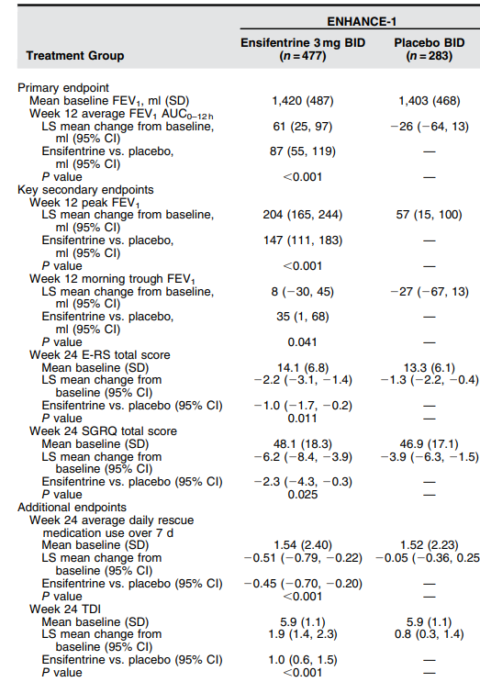

 |  |  | Success

 |  |  | The P-values are strong overall

 |  |  | Primary and most secondary endpoints are achieved.

 |  |  | Nontheless, week 12 morning trough FEV P-value not strong and not regualr results.
 |  |  | 35(1,68) is too irregular, so fail.

 |  |  | week 24 SGRQ total score P-value not strong and not regualr results.
 |  |  |  | is too irregular, so fail.

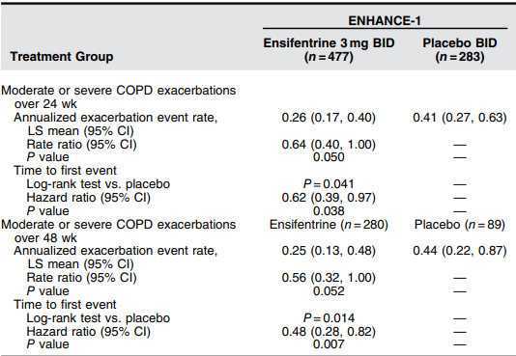

 |  |  | Success

 |  |  | Overall good P values, satsifaying results for the COPD exacerbation measurement.

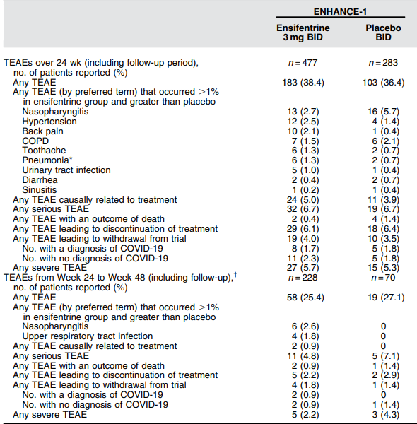

 |  |  | Success

 |  |  | Ensifentrine was well tolerated overall

ENHANCE-2 | Study 2 | "A Phase 3 Trial to Evaluate the Safety and Efficacy of Ensifentrine in Patients With COPD" - Phase 3 |  |  |  |  | Success
 | N | 790 |  |  |  |  | ENHANCE-2 NCT04542057
 | Start Date | 2020 |  |  |  |  | PMID: 37364283
 | Study Design | Phase 3 Randomized, Double-Blind, Placebo-Controlled Study to Evaluate the Efficacy and Safety of Ensifentrine Over 24 Weeks in Patients With Moderate to Severe COPD
 | Inclusion Criteria | 40 to 80 years old
 |  | Males are eligible to participate if they agree to use contraception.
 |  | Current or former cigarette smokers with a history of cigarette smoking ≥10 pack years.
 |  | Patients with an established clinical history of COPD.
 | Sites | USA 77, Bulagria 18, Canada 5, Denmark 3, Estonia 1, Hungary 6, Poland 8, Slovakia 4, Spain 4
 | Intervention | Ensifentrine Nebulizer Dosage 3mg Frequency: Twice Daily for 24 weeks
 |  | Placebo Nebulized Dosage 3mg Frequency: Twice Daily for 24 weeks
 | Primary Endpoint | Least Square (LS) Mean Change From Baseline in Average Forced Expiratory Volume in 1 Second (FEV1) Area Under the Curve Over 12 Hours (AUC0-12h) at Week 12
 | Secondary Endpoint | LS Mean Change From Baseline FEV1 to Peak FEV1 at Day 1 and Weeks 6, 12 and 24
 |  | LS Mean Change From Baseline to the Mean Weekly Evaluating-Respiratory Symptoms (E-RS) Total Score at Weeks 6, 12 and 24
 | Sponsor | Verona Pharma plc
 | Cohort | 1) Ensifentrine
 |  | 2) Placebo
 | Title of Study | ENHANCE-2
 | Results
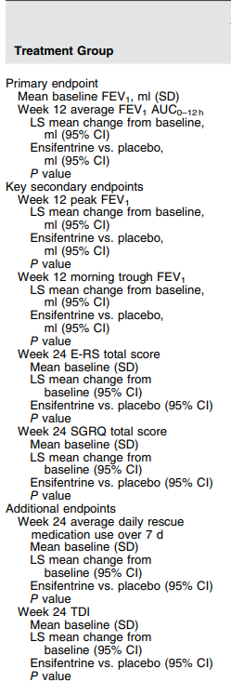
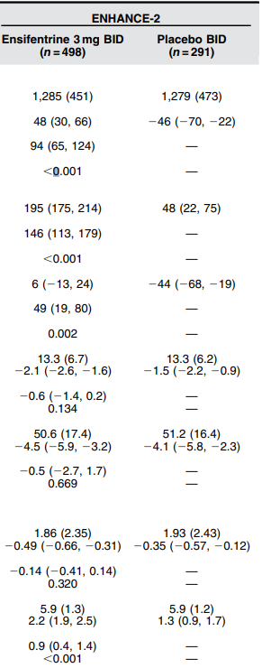

 |  |  | Success

 |  |  | The P-values are strong overall

 |  |  | Primary and most secondary endpoints are achieved.

 |  |  | Nontheless, week 24 E-RS total score P-value not strong and not regualr results.
 |  |  |  | is too irregular, so fail.

 |  |  | week 24 SGRQ total score P-value not strong P value = 0,669

 |  |  | week 24 average daily rescue score P-value not strong P value =0,320

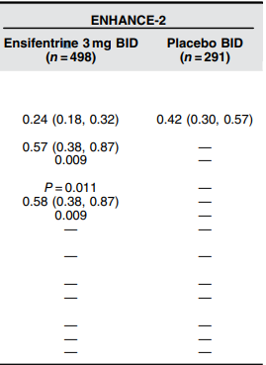
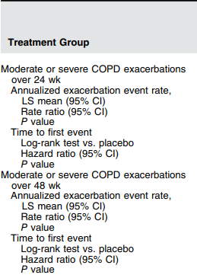
 |  |  | Suceess

 |  |  | Good P value under 0,05

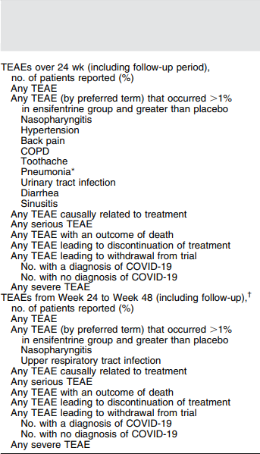
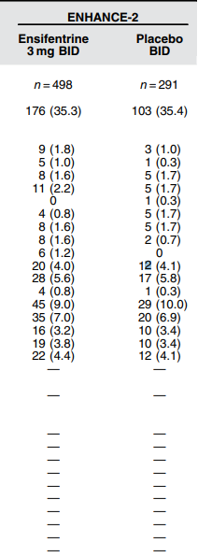

 |  |  | Success

 |  |  | Ensifentrine was well tolerated overall

 | Study 3 | "A Dose-Ranging Study of the Novel Inhaled Dual PDE 3 and 4 Inhibitor Ensifentrine in Patients with COPD Receiving Maintenance Tiotropium Therapy" - Phase 2b |  |  |  |  |  |  | Success
 | N | 416 |  |  |  |  |  |  | PMID: 33911859
 | Start Date | 2019 |  |  |  |  |  |  | NCT03937479
 | Study Design | This is a Phase 2b, randomized, double-blind, placebo controlled, multiple dose, parallel group study to investigate the effects of 4 weeks of treatment with nebulized RPL554 (at different dose levels),
 |  | compared to placebo in patients with moderate to severe COPD on a stable background therapy of open-label tiotropium.
 | Inclusion Criteria | 40 to 80 years old
 |  | Patients with a diagnosis of COPD
 | Sites | USA 50
RPL554= Ensifentrine | Intervention | RPL554 0.375 mg twice daily, in addition to tiotropium
 |  | RPL554 0.75 mg twice daily, in addition to tiotropium
 |  | RPL554 1.5 mg twice daily, in addition to tiotropium
 |  | RPL554 3.0 mg twice daily, in addition to tiotropium
 |  | Placebo twice daily, in addition to tiotropium
 | Primary Endpoint | Least Square (LS) Mean Change From Baseline Forced Expiratory Volume in 1 Second (FEV1) to Peak FEV1 at Week 4
 | Secondary Endpoint | LS Mean Change From Baseline FEV1 to Average Area Under the Curve Over 3 Hours (AUC0-3h) FEV1 on Day 1 and at Weeks 1 to 4
 |  | LS Mean Change From Baseline FEV1 to Average Area Under the Curve Over 12 Hours (AUC0-12h) FEV1 on Day 1 and at Week 4
 | Sponsor | Verona Pharma plc
 | Cohort | 1) RPL554 0.375 mg twice daily, in addition to tiotropium
 |  | 2) RPL554 0.375 mg twice daily, in addition to tiotropium
 |  | 3) RPL554 0.375 mg twice daily, in addition to tiotropium
 |  | 4) RPL554 0.375 mg twice daily, in addition to tiotropium
 |  | 5) Placebo, in addition to tiotropium
 | Results
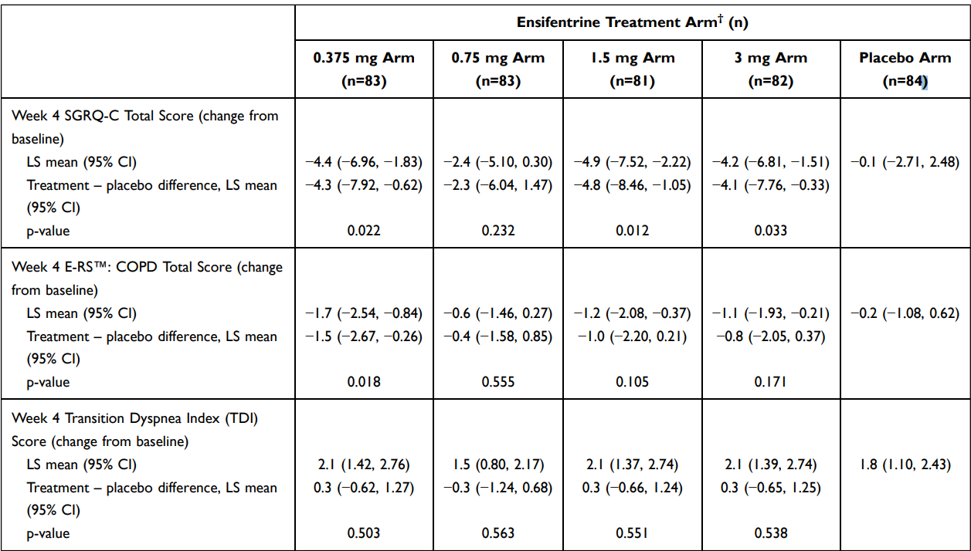

 |  |  |  |  |  | Medium success to fail

 |  |  |  |  |  | Outside Week 4 SGRQ-C Total Score the P values are weak.

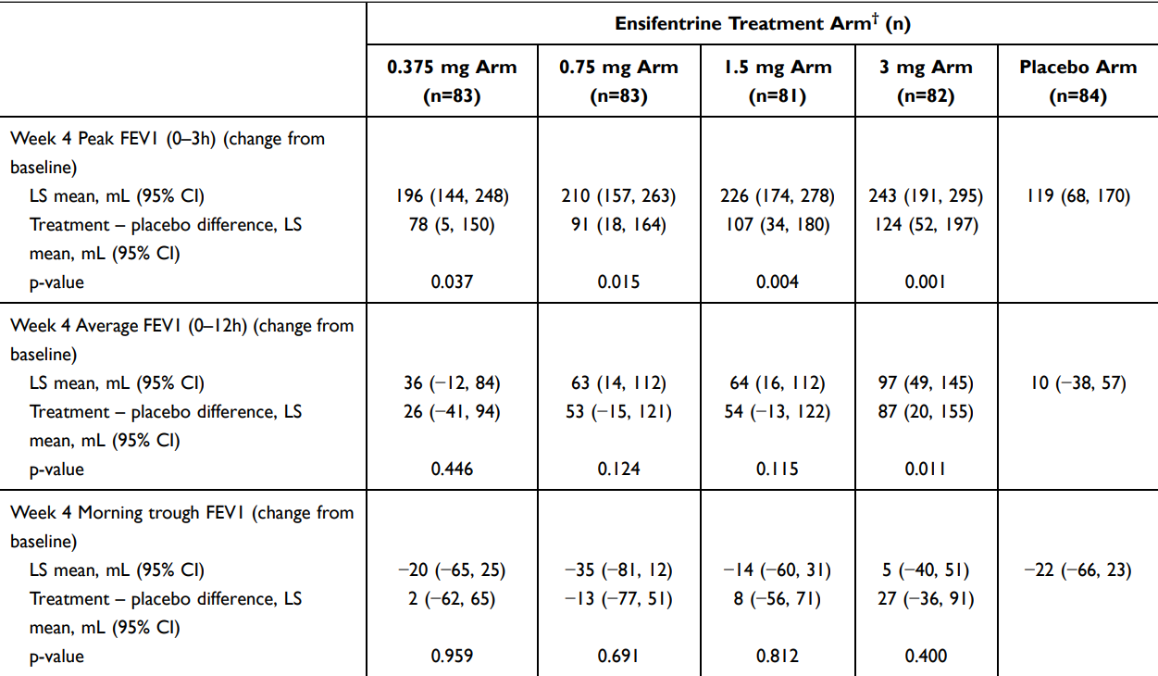

 |  |  |  |  |  |  |  | Mild success

 |  |  |  |  |  |  |  | Only 3mg Arm showed strong P values in comparasion to Placebo.

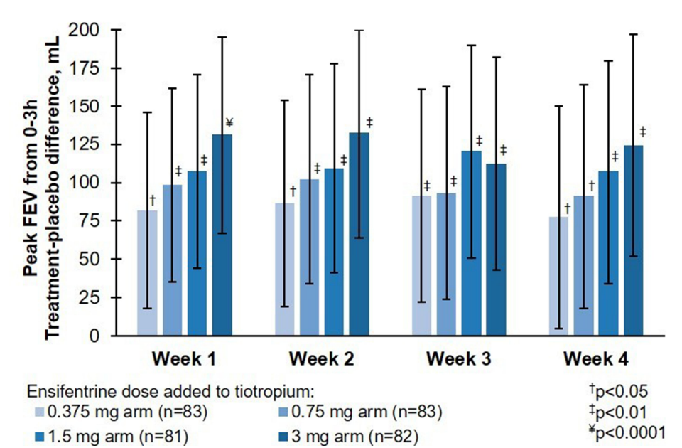

 |  |  |  |  | Overall success of Ensifentrine added to tiotropium.

 |  |  |  |  | With strong p values.

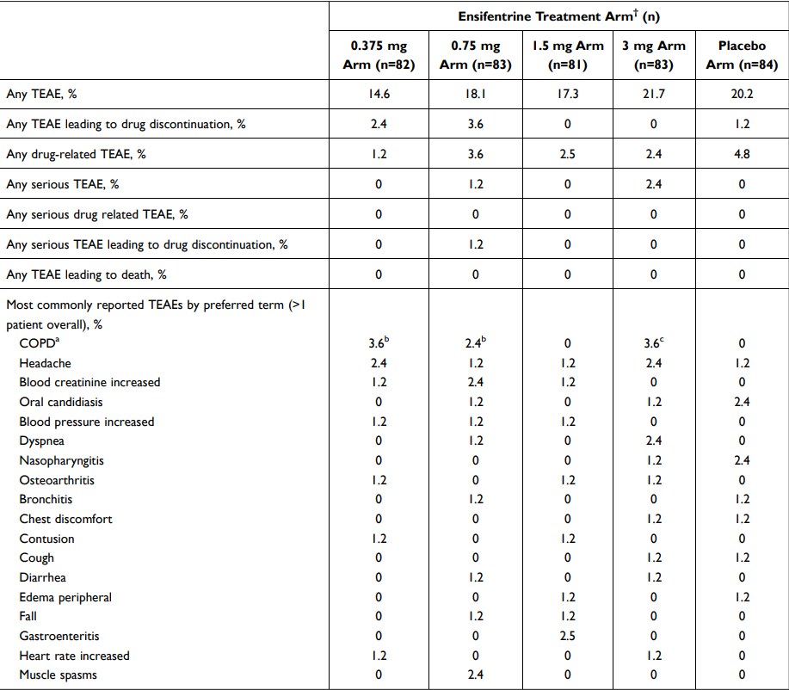

 |  |  |  |  | Success

 |  |  |  |  | Safety assured for the drug.

 | Ensifentrine provided a dose-dependent, statistically significant and clinically meaningful bronchodilation (peak FEV1) of 78 mL (0.375 mg), 91 mL (0.75 mg), 107 mL (1.5 mg) and 124 mL (3 mg) when administered BID,
 | in addition to tiotropium (all p<0,05 compared to placebo+tiotropium), in COPD patients who remained symptomatic while taking tiotropium.

 | Additionally, this novel, inhaled inhibitor of PDE3 and PDE4, provided significant improvement in QoL and has a safety profile similar to placebo.

 | Study 4 | "Dose Ranging Study of RPL554 in Chronic Obstructive Pulmonary Disease (COPD) Patients" - Phase 2 |  |  |  | Success
 | N | 405 |  |  |  | NCT03443414
 | Start Date | 2017 |  |  |  | PMID: 32982212
 | Study Design | 4 weeks of twice daily treatment of four different doses of RPL554 (Ensifentrine)
 | Inclusion Criteria | 40 to 75 years old
 |  | COPD diagnosis with symptoms compatible with COPD for at least 1 year
 | Sites | Bulgaria 8, Czechia 2, Germany 17, Poland 14, Romania 7, UK 1
 | Intervention | 0.75 mg RPL554
 |  | 1.5 mg RPL554
 |  | 3 mg RPL554
 |  | 6 mg RPL554
 |  | Placebo
 | Primary Endpoint | Mean Change From Baseline in Peak FEV1 (Over 3 Hours) at Week 4
 | Secondary Endpoint | Mean Change From Baseline FEV1 to Morning Trough FEV1 at Week 4
 |  | Mean Change From Baseline FEV1 to Average FEV1 (Over 12 Hours) at Day 1 and Week 4
 | Sponsor | Verona Pharma plc
 | Cohort | 1) 0.75 mg RPL554
 |  | 2) 1,5 mg RPL554
 |  | 3) 3 mg RPL554
 |  | 4) 6 mg RPL554
 |  | 5) Placebo
 | Results
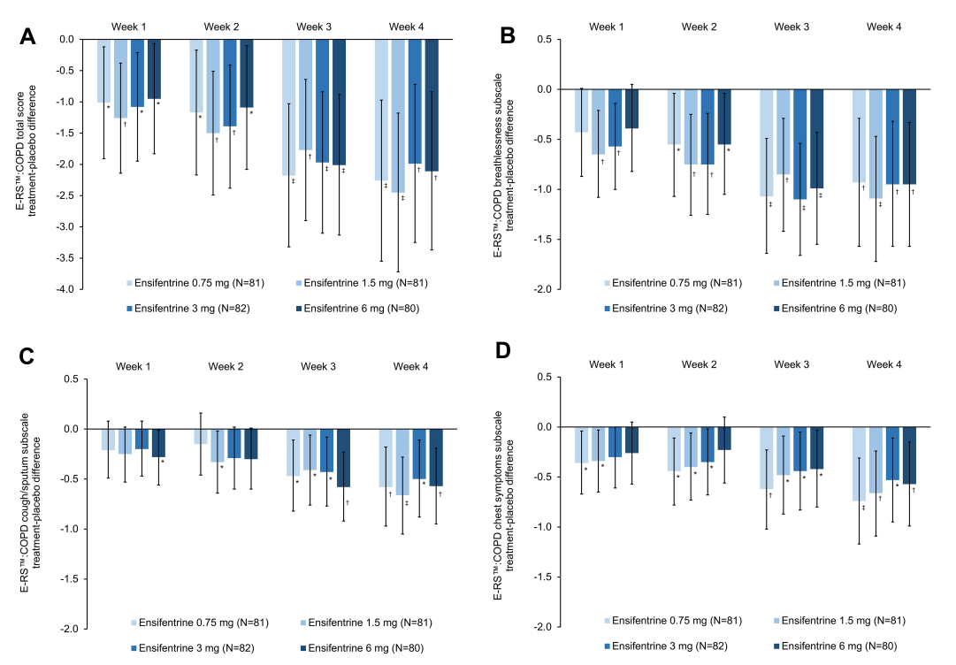
 |  |  |  |  |  | (A) total score; (B) breathlessness subscale; (C) cough/sputum subscale; (D) chest symptoms subscale

 |  |  |  |  |  | Mild success

 |  |  |  |  |  | Some good P values but still not enough satsifying to call it a success.

 | Ensifentrine demonstrated a notable early and meaningful effect on dyspnea.

 | The SGRQ-C domain analysis also indicated a benefit of ensifentrine on symptoms.

 | The previously published primary and secondary analyses, which focused on lung function, confirmed the bronchodilator effect of ensifentrine.

 | In these analyses ensifentrine demonstrated a notable early and meaningful effect on dyspnea, with this effect observed across two different assessment tools.

